3. DI Forecasting
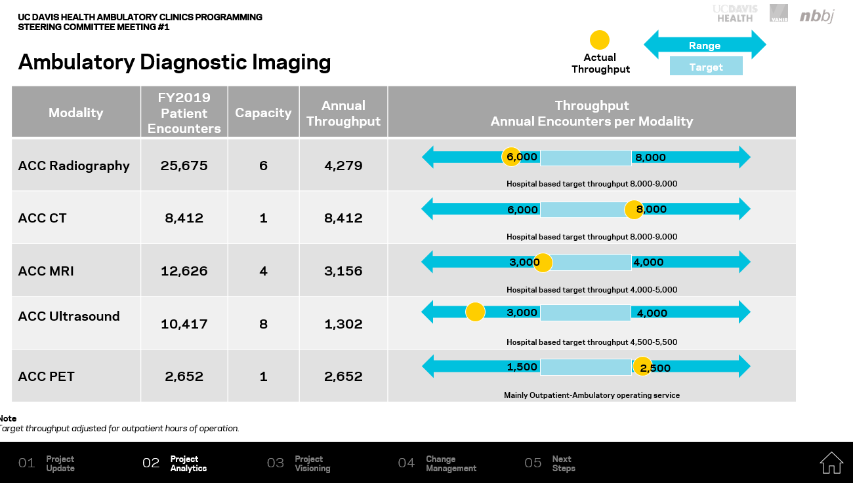
 |  |  |  | 2030 Projection
Modality | Capacity Counts | FY2019 Encounters | FY2019 Annual Throughput | LOW Encounter Projection | HIGH Encounter Projection | Target Throughput | LOW Capacity Need | HIGH Capacity Need | ACC Planning Opportunities | Comments
Rad-Fluoro | 7 | 25,675 | 3,668 | 27,814 | 38,289 | 8,500 | 3 | 5 | Right size modality counts | Ortho
CT | 1 | 8,412 | 8,412 | 10,225 | 13,651 | 8,500 | 1 | 2 | Increase to accommodate hospital OP encounters | Total
MRI + MSK | 4 | 12,626 | 3,157 | 14,167 | 18,929 | 3,500 | 4 | 5 | Replace MSK+Mobile, add additional unit for a net of 5 | Bring the mobile inside, update MSK - Neuro, Card, Ortho| 2 standard, 1 MSK, 1 mobile
Ultrasound | 8 | 10,417 | 1,302 | 13,453 | 16,036 | 3,500 | 4 | 5 | Right size modality counts | Total
PET-CT | 1 | 2,652 | 2,652 | 2,652 | 4,083 | 2,000 | 1 | 2 | Add additional unit for growth, consider upgrade (TB-PET)
Mammography | 4 | 14,696 | 3,674 | 16,758 | 20,343 | 3,500 | 5 | 6 | Consider system strategy and service allocation
Vascular Lab | 3 | 4,812 | 1,604 | 4,812 | 7,214 | 1,800 | 3 | 4 | Increase capacity, pull hospital OP encounters | In DI, needs to be validated - 3 bays with curtains
Notes
Requires incremental capacity
\a Throughput targets based on current ACC-DI operations run M-F 7am-9pm and S-S 8am-5pm

\A Growth projection based on strongly correlating specialty clinic visit volume growth, through 2030
\B UCDH DI 2018 Master Plan growth trend maintaining current market share and considering future modality utilization trends, through 2026
\C UCDH DI 2018 Master Plan growth trend growing current market share and considering future modality utilization trends, through 2026
\D Decanting volumes or other strategic 'shifts' have not been incorporated in the forecast. Primarily driven by population growth, correlating ambulatory growth and utilization trends

